Rectangular_Single
1. Given Data

 |  | - | Ped Length |  |  |  |  |  |  |  |  |  |  |  |  |  |  |  |  |  |  |  |  |  |  | Ls | = | 6300 |  | mm
 |  | - | Ped Width |  |  |  |  |  |  |  |  |  |  |  |  |  |  |  |  |  |  |  |  |  |  | Ws | = | 2800 |  | mm
 |  | - | Ped Thickness |  |  |  |  |  |  |  |  |  |  |  |  |  |  |  |  |  |  |  |  |  |  | ha | = | 1150 |  | mm | 그라우트 50 포함하면 1200
 |  | - | Compressive Strength of Concrete |  |  |  |  |  |  |  |  |  |  |  |  |  |  |  |  |  |  |  |  |  |  | fck | = | 24 |  | Mpa | 임의값
 |  |  |  |  |  |  |  |  |  |  |  |  |  |  |  |  |  |  |  |  |  |  |  |  |  |  |  |  |  |  |  | 앵커 종류
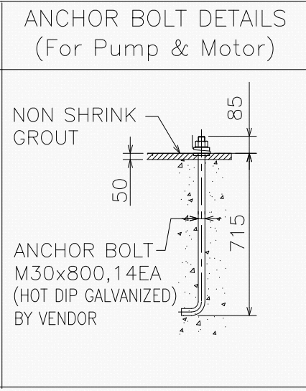
 |  | - | Anchor Bolt Type |  |  |  |  |  |  |  |  |  |  |  |  |  |  |  |  |  |  |  |  |  |  | Type | = | 선설치 갈고리볼트 |  |  |  | 선설치 헤드스터드
 |  | - | Anchor Bolt Dia. |  |  |  |  |  |  |  |  |  |  |  |  |  |  |  |  |  |  |  |  |  |  | Dbolt | = | 30 |  | mm |  | 선설치 헤드 볼트
 |  | - | Anchor Bolt Q'ty |  |  |  |  |  |  |  |  |  |  |  |  |  |  |  |  |  |  |  |  |  |  | Nbolt | = | 14 |  | EA |  | 선설치 갈고리볼트
 |  | - | Bolt Area |  |  |  |  |  |  |  |  |  |  |  |  |  |  |  |  |  |  |  |  |  |  | Ase | = | 706.85834706 |  | mm2 |  | 후설치 확장앵커
 |  | - | Bearing Area of the Head of Stud or Anchor Bolt |  |  |  |  |  |  |  |  |  |  |  |  |  |  |  |  |  |  |  |  |  |  | Abrg | = | 1126 |  | mm2 | 임의값임 | 후설치 언더컷앵커
 |  | - | Yield Strength of Anchor bolt |  |  |  |  |  |  |  |  |  |  |  |  |  |  |  |  |  |  |  |  |  |  | fy | = | 720 |  | Mpa |  | 후설치 부착식앵커
 |  | - | Tensile Strength of Anchor bolt |  |  |  |  |  |  |  |  |  |  |  |  |  |  |  |  |  |  |  |  |  |  | futa | = | 860 |  | Mpa
 |  | - | Embedment Depth of Anchor |  |  |  |  |  |  |  |  |  |  |  |  |  |  |  |  |  |  |  |  |  |  | hef | = | 715 |  | mm

 |  | - | Distance (Anchor Shaft to the Edge of Concrete) |  |  |  |  |  |  |  |  |  |  |  |  |  |  |  |  |  |  |  |  |  |  | c1 | = | 380 |  | mm
 |  | - | Distance (Perpendicular to c1) |  |  |  |  |  |  |  |  |  |  |  |  |  |  |  |  |  |  |  |  |  |  | c2 | = | 600 |  | mm
 |  | - | Center to Center Spacing of Anchor Bolts |  |  |  |  |  |  |  |  |  |  |  |  |  |  |  |  |  |  |  |  |  |  | s0 | = | 850 |  | mm
 |  | - | Center to Center Spacing of Anchor Bolts |  |  |  |  |  |  |  |  |  |  |  |  |  |  |  |  |  |  |  |  |  |  | s1 | = | 2040 |  | mm

 |  |  |  |  |  |  |  |  |  |  |  |  |  |  |  |  |  |  |  |  |  |  |  |  |  |  |  |  |  |  |  |  | 2800 | 6300

c1
c2

100

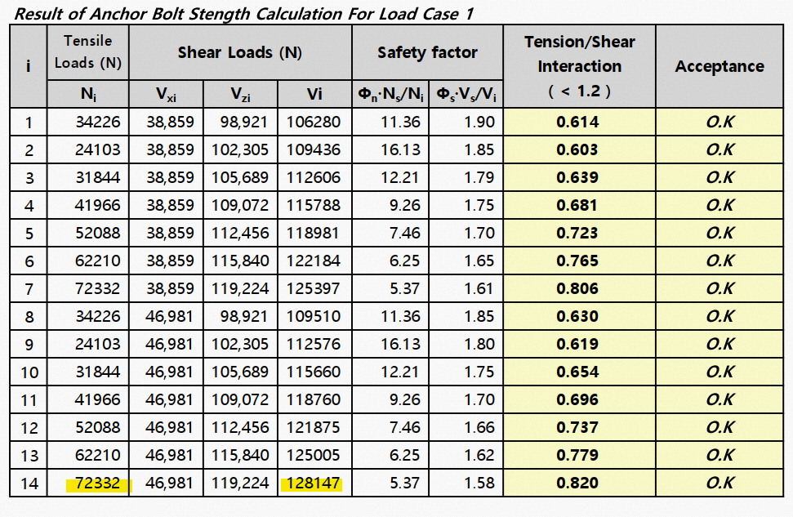

2. Calculation of Maximum Anchor Force

 | 1) | Calculation of Anchor Blot Force

 |  | - | Maximum Tension Force

 |  |  |  |  |  |  |  |  |  |  |  |  |  |  |  |  |  |  |  |  |  |  |  |  |  | Nua | = | 72.332 |  | kN
 |  | - | Maximum Shear Force

 |  |  |  |  |  |  |  |  |  |  |  |  |  |  |  |  |  |  |  |  |  |  |  |  |  | Vua | = | 128.147 |  | kN
 |  | - | Factored Frictional Resisting Force
 |  |  |  |  | Ф | = | 0.75
 |  |  |  |  | Vr | = |  |  |  |  |  |  |  |  |  |  |  |  |  |  |  |  |  |  |  | ФVr | = | 0 |  | kN

 |  | - | Vua |  | = | 128.147 |  |  | kN |  | > |  |  | ФVr |  | = | 0 |  |  | kN
 |  |  |  |  |  |  |  |  |  |  |  |  |  |  | ∴ The Anchor Bolts are required to Resist Shear !

3. Design Requirements for Tensile Loading

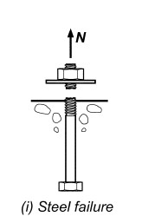
 | 1) Steel strength of anchor in tension

 |  | - | ФNsa |  |  | = | Ф x n x Ase,N x futa
 |  |  |  |  |  | = | 455.92363385 |  |  | kN |  | > |  | Nua |  | = | 72.332 |  |  | kN |  | O.K !
 |  | Where,
 |  |  | - | Ф |  |  | = | 0.75
 |  |  | - | n |  |  | = | 1 |  |  | ea |  |  | (Number of Anchors in the Group)
 |  |  | - | futa |  |  | = | 860 |  |  | MPa |  |  | (Minimum 1.9fyt or fut)
 |  |  | - | Ase.N |  |  | = | 706.85834706 |  |  | mm²

 | 2) Concrete Breakout Strength of Anchor in Tension

 |  | - | ФNcb |  |  | = | Ф x (ANc/ANco) x ψed,N x ψc,N x ψcp,N x Nb
 |  |  |  |  |  | = | 375.86694754 |  |  | kN |  | > |  | Nua |  | = | 72.332 |  |  | kN |  | O.K !
 |  | Where,
 |  |  | - | Ф |  |  | = | 0.75 |  |  |  |  |  |  |  |  |  |  |  |  |  |  |  |  |  |  |  |  |  |  |  | 비균열이라고 가정함
 |  |  | - | Anc |  |  | = | (ca1 + 1.5hef') x (2 x 1.5hef')
 |  |  |  |  |  |  |  | 3115612.5 |  |  | mm2
 |  |  | - | Anco |  |  | = | 9 x hef'^2
 |  |  |  |  |  |  |  | 4601025 |  |  | mm2
 |  |  | - | ψed,N |  |  | = | if c1 < 1.5hef, ψed,N = 0.70 + 0.30 x c1 / 1.5hef, else ψed,N = 1
 |  |  |  |  |  |  | = | 0.80629370629
 |  |  | - | ψc,N |  |  | = | 1.4 |  |  |  | Post-in Anchor
 |  |  | - | ψcp,N |  |  | = | 1
 |  |  | - | Nb |  |  | = | kc x √f'c x hef^1.5 |  |  |  |  |  |  |  |  | (kc |  | = | 7.00 |  |  |  | Post-in Anchor)
 |  |  |  |  |  |  | = | 655.63589667 |  |  | kN
 |  |  | - | hef' |  |  | = | max(ca,max/1.5, hef)
 |  |  |  |  |  |  | = | 715 |  |  | mm

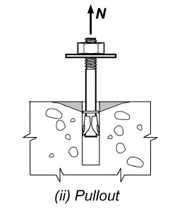
 | 3) Pullout Strength of Anchor in Tension

 |  | - | ФNpn |  |  | = | Ф x ψc,P x Np
 |  |  |  |  |  | = | 227.0016 |  |  | kN |  | > |  | Nua |  | = | 72.332 |  |  | kN |  | O.K !
 |  | Where,
 |  |  | - | Ф |  |  | = | 0.75
 |  |  | - | ψc,P |  |  | = | 1.4 |  |  |  | 비균열 콘크리트
 |  |  | - | Np |  |  | = | 8 x Abrg x f'c
 |  |  |  |  |  |  | = | 216.192 |  |  | kN
 |  |  | - | eh |  |  | = |  |  |  | mm |  | 갈고리 길이

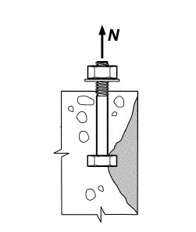
 | 4) Concrete Side Face Blowout Strength of Anchor in Tension

 |  | - | Not applicable as
 |  |  | 2.5 ca1 |  |  | = | 950.00 |  |  |  | mm |  |  | > |  |  | hef |  |  | = | 715.00 |  |  |  | mm

 |  | - | ФNsb |  |  | = | Ф x 13 x c1 x √(Abrg) x √(f'c) x ( 1 + c2 / c1) / 4
 |  |  |  |  |  | = | 392.68608866 |  |  | kN |  | > |  | Nua |  | = | 72.332 |  |  | kN |  | O.K !
 |  | Where,
 |  |  | - | Ф |  |  | = | 0.75
 |  |  | - | Abrg |  |  | = | 1126 |  |  | mm
 |  |  | - | fck |  |  | = | 24 |  |  | MPa
 |  |  | - | c2/c1 |  |  | = | 1.5789473684 |  |  |  |  |  |  |  |  |  |  |  |  |  |  |  |  |  |  |  |  |  |  | 1

 | 5) Bond strength of Anchor in Tension

 |  | - | ФNa |  |  | = | Ф x (AN/ANao) x ψcd,Na x ψcp,Na x Nb
 |  |  |  |  |  | = |  |  |  | kN |  | < |  | Nua |  | = | 72.332 |  |  | kN |  | N.G !
 |  | Where,
 |  |  | - | Ф
 |  |  | - | ANa
 |  |  | - | ANao
 |  |  | - | ψcd,Na
 |  |  | - | ψcp,Na
 |  |  | - | Nba
 |  |  | - | cNa
 |  |  | - | tcr
 |  |  | - | tuncr

4. Design Requirements for Shear Loading

 | 1) Steel Strength of Anchor in Shear

 |  | - | ФVsa |  |  | = | Ф x n |  |  | x Ase,V x futa
 |  |  |  |  |  | = | 455.92363385 |  |  | kN |  | > |  | Vua |  | = | 128.147 |  |  | kN |  | O.K !
 |  | Where,
 |  |  | - | Ф |  |  | = | 0.75
 |  |  | - | n |  |  | = | 1
 |  |  | - | futa |  |  | = | 860 |  |  | MPa |  |  | (Minimum 1.9fyt or fut)
 |  |  | - | Ase.V |  |  | = | 706.85834706 |  |  | mm2

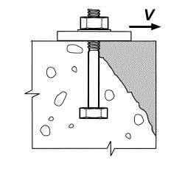
 | 2) Concrete Breakout Strength of Anchor in Shear

 |  | - | ФVcb |  |  | = | Ф x (AVc/AVco) x ψed,V x ψc,V x ψh,V x Vb
 |  |  |  |  |  | = | 140.98471766 |  |  | kN |  | > |  | Vua |  | = | 128.147 |  |  | kN |  | O.K !
 |  | Where,
 |  |  | - | Ф |  |  | = | 0.75
 |  |  | - | AVc |  |  | = | 1.5*c1*(3*c1)
 |  |  | - |  |  |  | = | 649800 |  |  | mm2
 |  |  | - | AVco |  |  | = | 4.5 x (c1)^2
 |  |  |  |  |  |  | = | 649800 |  |  | mm2
 |  |  |  | ψed,V |  |  | = | if c2 < 1.5c1, ψed,V = 0.70 + 0.30 x c2 / 1.5c1, else ψed,N = 1
 |  |  |  |  |  |  | = | 1
 |  |  |  | ψc,V |  |  | = | 1.4 |  |  |  | 비균열 콘크리트
 |  |  |  | ψh,V |  |  | = | if ha < 1.5c1, ψh,V=√1.5c1 / ha, else ψh,V=1
 |  |  |  |  |  |  | = | 1
 |  |  |  | ha |  |  | = | 1150 |  |  | mm
 |  |  |  | Vb1 |  |  | = | 0.6 x (l / DBolt)0.2 x √(DBolt) x √(fc') x c11.5
 |  |  |  |  |  |  | = | 224.86913585 |  |  | kN
 |  |  |  | Vb2 |  |  | = | 3.7 x √f'c x c11.5
 |  |  |  |  |  |  |  | 134.27115967 |  |  | kN
 |  |  |  | Vb |  |  | = | Min(Vb1, Vb2)
 |  |  |  |  |  |  |  | 134.27115967 |  |  | kN
 |  |  |  | fck |  |  | = | 24 |  |  | Mpa

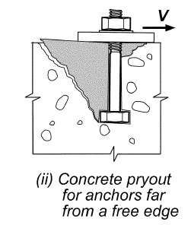
 | 3) Concrete Pryout Strength of an Anchor Shear

 |  | - | ФVcp |  |  | = | Ф x kcp x Ncp
 |  |  |  |  |  | = | 751.73389508 |  |  | kN |  | > |  | Vua |  | = | 128.147 |  |  | kN |  | O.K !
 |  | Where,
 |  |  | - | Ф |  |  | = | 0.75
 |  |  | - | kcp |  |  | = | 2
 |  |  | - | Ncp |  |  | = | 501.15593005 |  |  | kN

5. Interaction of Tensile and Shear Forces

 |  | Where,
 |  |  |  | ФVn |  |  | = | min(ФVsa, ФVcb, ФVcp) |  |  |  |  |  |  |  |  |  |  | = |  | 455.92363385 |  |  | kN
 |  |  |  | ФNn |  |  | = | min(ФNsa, ФNcb, ФNpn, ФNsb) |  |  |  |  |  |  |  |  |  |  | = |  | 227.0016 |  |  | kN

 |  | - | Case1 |  |  |  | Not Applicable Case
 |  |  | if Vua |  |  | ≤ | 0.2ФVn |  |  | , Then full strength in tension shall be permitted : |  |  |  |  |  |  |  |  |  |  |  |  |  |  |  |  |  | ФNn | ≥ | Nua
 |  |  |  | Vua |  |  | = | 128.147 |  |  | kN |  |  | ≥ |  | 0.2ФVn |  |  | = | 91.18472677 |  |  | kN
 |  |  |  | Nua |  |  | = | 72.332 |  |  | kN |  |  | ≥ |  | ФNn |  |  |  | 45.40032 |  |  | kN |  |  | N.G !

 |  | - | Case2 |  |  |  | Not Applicable Case
 |  |  | if Nua |  |  | ≤ | 0.2ФNn |  |  | , Then full strength in tension shall be permitted : |  |  |  |  |  |  |  |  |  |  |  |  |  |  |  |  |  | ФVn | ≥ | Vua
 |  |  |  | Nua |  |  | = | 72.332 |  |  | kN |  |  | ≥ |  | 0.2ФNn |  |  |  | 45.40032 |  |  | kN
 |  |  |  | Vua |  |  | = | 128.147 |  |  | kN |  |  | < |  | ФVn |  |  | = | 455.92363385 |  |  | kN |  |  | O.K !

 |  | - | Case3 |  |  |  | Applicable Case
 |  |  | if Vua |  |  | > | 0.2ФVn |  |  | and |  | Nua |  | > | 0.2ФNn |  |  | , Then |  |  | Nua / ФNn + Vua / ФVn ≤ 1.20
 |  |  |  | Vua |  |  | = | 128.147 |  |  | kN |  |  | > |  | 0.2ФVn |  |  | = | 91.18472677 |  |  | kN
 |  |  |  | Nua |  |  | = | 72.332 |  |  | kN |  |  | > |  | 0.2ФNn |  |  |  | 45.40032 |  |  | kN
 |  |  |  |  |  |  |  | Nua |  |  | / | ФNn |  |  | + | Vua |  |  | / | ФVn
 |  |  |  |  |  |  | = | 72.332 |  |  | / | 227.0 |  |  | + | 128.147 |  |  | / | 455.9
 |  |  |  |  |  |  | = | 0.59971211957 |  |  |  |  |  | ≤ |  |  |  | 1.2 |  |  |  |  |  |  |  | O.K !

Rectangular_Group
1. Given Data

 |  | - | Ped Length |  |  |  |  |  |  |  |  |  |  |  |  |  |  |  |  |  |  |  |  |  |  | Ls | = | 6300 |  | mm
 |  | - | Ped Width |  |  |  |  |  |  |  |  |  |  |  |  |  |  |  |  |  |  |  |  |  |  | Ws | = | 2800 |  | mm
 |  | - | Ped Thickness |  |  |  |  |  |  |  |  |  |  |  |  |  |  |  |  |  |  |  |  |  |  | ha | = | 1150 |  | mm | 그라우트 50 포함하면 1200
 |  | - | Compressive Strength of Concrete |  |  |  |  |  |  |  |  |  |  |  |  |  |  |  |  |  |  |  |  |  |  | fck | = | 24 |  | Mpa | 임의값
 |  |  |  |  |  |  |  |  |  |  |  |  |  |  |  |  |  |  |  |  |  |  |  |  |  |  |  |  |  |  |  | 앵커 종류
 |  | - | Anchor Bolt Type |  |  |  |  |  |  |  |  |  |  |  |  |  |  |  |  |  |  |  |  |  |  | Type | = | 선설치 갈고리볼트 |  |  |  | 선설치 헤드스터드
 |  | - | Anchor Bolt Dia. |  |  |  |  |  |  |  |  |  |  |  |  |  |  |  |  |  |  |  |  |  |  | Dbolt | = | 30 |  | mm |  | 선설치 헤드 볼트
 |  | - | Anchor Bolt Q'ty |  |  |  |  |  |  |  |  |  |  |  |  |  |  |  |  |  |  |  |  |  |  | Nbolt | = | 14 |  | EA |  | 선설치 갈고리볼트
 |  | - | Bolt Area |  |  |  |  |  |  |  |  |  |  |  |  |  |  |  |  |  |  |  |  |  |  | Ase | = | 706.85834706 |  | mm2 |  | 후설치 확장앵커
 |  | - | Bearing Area of the Head of Stud or Anchor Bolt |  |  |  |  |  |  |  |  |  |  |  |  |  |  |  |  |  |  |  |  |  |  | Abrg | = | 1126 |  | mm2 | 임의값임 | 후설치 언더컷앵커
 |  | - | Yield Strength of Anchor bolt |  |  |  |  |  |  |  |  |  |  |  |  |  |  |  |  |  |  |  |  |  |  | fy | = | 720 |  | Mpa |  | 후설치 부착식앵커
 |  | - | Tensile Strength of Anchor bolt |  |  |  |  |  |  |  |  |  |  |  |  |  |  |  |  |  |  |  |  |  |  | futa | = | 860 |  | Mpa
 |  | - | Embedment Depth of Anchor |  |  |  |  |  |  |  |  |  |  |  |  |  |  |  |  |  |  |  |  |  |  | hef | = | 715 |  | mm

 |  | - | Distance (Anchor Shaft to the Edge of Concrete) |  |  |  |  |  |  |  |  |  |  |  |  |  |  |  |  |  |  |  |  |  |  | c1 | = | 380 |  | mm
 |  | - | Distance (Perpendicular to c1) |  |  |  |  |  |  |  |  |  |  |  |  |  |  |  |  |  |  |  |  |  |  | c2 | = | 600 |  | mm
 |  | - | Center to Center Spacing of Anchor Bolts |  |  |  |  |  |  |  |  |  |  |  |  |  |  |  |  |  |  |  |  |  |  | s0 | = | 850 |  | mm
 |  | - | Center to Center Spacing of Anchor Bolts |  |  |  |  |  |  |  |  |  |  |  |  |  |  |  |  |  |  |  |  |  |  | s1 | = | 2040 |  | mm

 |  |  |  |  |  |  |  |  |  |  |  |  |  |  |  |  |  |  |  |  |  |  |  |  |  |  |  |  |  |  |  |  | 2800 | 6300

c1
c2

100

2. Calculation of Maximum Anchor Force

 | 1) | Calculation of Anchor Blot Force

 |  | - | Maximum Tension Force

 |  |  |  |  |  |  |  |  |  |  |  |  |  |  |  |  |  |  |  |  |  |  |  |  |  | Nua | = | 72.332 |  | kN
 |  | - | Maximum Shear Force
 |  |  |  |  |  |  |  |  |  |  |  |  |  |  |  |  |  |  |  |  |  |  |  |  |  | Vua | = | 128.147 |  | kN
 |  |  |  |  |  |  |  |  |  |  |  |  |  |  |  |  |  |  |  |  |  |  |  |  |  | Vua-Vf | = | 98.31005 |  | kN
 |  | - | Factored Frictional Resisting Force
 |  |  |  |  | Ф | = | 0.75
 |  |  |  |  | Vr | = | P*μGrout
 |  |  |  |  |  | = | 39.78 |  |  | kN
 |  |  |  |  | μGrout | = | 0.55
 |  |  |  |  |  |  |  |  |  |  |  |  |  |  |  |  |  |  |  |  |  |  |  |  |  | Vf=ФVr | = | 29.83695 |  | kN

 |  | - | Vua |  | = | 98.31005 |  |  | kN |  | > |  |  | ФVr |  | = | 29.83695 |  |  | kN
 |  |  |  |  |  |  |  |  |  |  |  |  |  |  | ∴ The Anchor Bolts are required to Resist Shear !

3. Edge Distance and Spacing Check for Group Effect

 |  | - | Concrete breakout in tension
 |  |  |  | So |  | = | 850 |  |  | mm |  |  | ≤ |  | 3hef |  |  | = | 2145 |  |  | mm |  |  | <---- Group Type
 |  | - | Concrete blowout in tension
 |  |  |  | So |  | = | 850 |  |  | mm |  |  | ≤ |  | 6c1 |  |  | = | 2280 |  |  | mm |  |  | <---- Group Type
 |  | - | Bond Strength in tension
 |  |  |  | So |  | = | 850 |  |  | mm |  |  | > |  | 2cNa |  |  | = | 0 |  |  | mm |  |  | <---- Single Type
 |  | - | Concrete breakout in shear
 |  |  |  | So |  | = | 850 |  |  | mm |  |  | ≤ |  | 3c1 |  |  | = | 1140 |  |  | mm |  |  | <---- Group Type
 |  | - | Concrete pryout in shear
 |  |  |  | Concrete breakout in tension & Bond strength in tension |  |  |  |  |  |  |  |  |  |  |  |  |  |  |  |  |  |  |  |  | <---- Single Type

4. Design Requirements for Tensile Loading

 | 1) Steel strength of anchor in tension

 |  | - | ФNsa |  |  | = | Ф x n x Ase,N x futa
 |  |  |  |  |  | = | 455.92363385 |  |  | kN |  | > |  | Nua |  | = | 72.332 |  |  | kN |  | O.K !
 |  | Where,
 |  |  | - | Ф |  |  | = | 0.75
 |  |  | - | n |  |  | = | 1 |  |  | ea |  |  | (Number of Anchors in the Group)
 |  |  | - | futa |  |  | = | 860 |  |  | MPa |  |  | (Minimum 1.9fyt or fut)
 |  |  | - | Ase.N |  |  | = | 706.85834706 |  |  | mm²

 | 2) Concrete Breakout Strength of Anchor in Tension
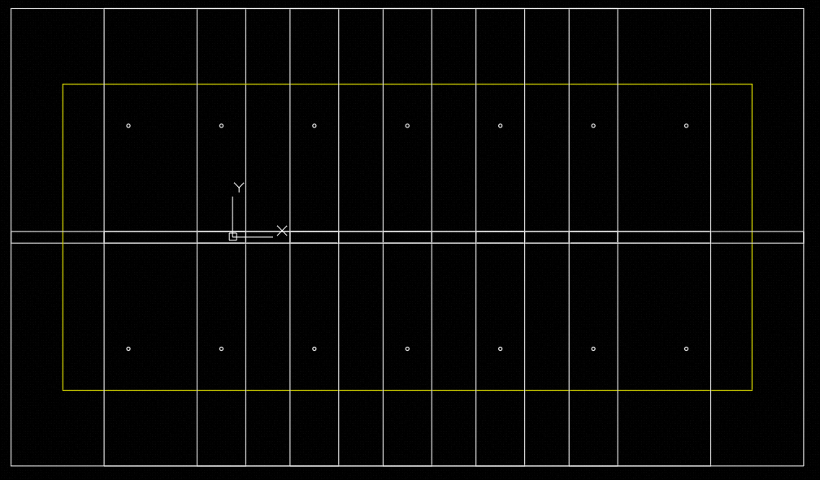
 |  | - | ФNcb |  |  | = | Ф x (ANc/ANco) x ψec,N x ψed,N x ψc,N x ψcp,N x Nb
 |  |  |  |  |  | = | 23.971106348 |  |  | kN |  | < |  | Nua |  | = | 72.332 |  |  | kN |  | N.G !
 |  | Where,
 |  |  | - | Ф |  |  | = | 0.75 |  |  |  |  |  |  |  |  |  |  |  |  |  |  |  |  |  |  |  |  |  |  |  | 비균열이라고 가정함
 |  |  | - | Anc |  |  | = | (ca1 + 1.5hef') x (2 x 1.5hef')
 |  |  |  |  |  |  |  | 3115612.5 |  |  | mm2
 |  |  | - | Anco |  |  | = | 9 x hef'^2 x Nbolt
 |  |  |  |  |  |  |  | 64414350 |  |  | mm2
 |  |  | - | ψec,N |  |  | = | 1 / (1+ 2e'N/3hef') |  |  |  |  |  |  |  | ≤ | 1
 |  |  |  |  |  |  | = | 1
 |  |  | - | e'N |  |  | =
 |  |  | - | ψed,N |  |  | = | if c1 < 1.5hef, ψed,N = 0.70 + 0.30 x c1 / 1.5hef, else ψed,N = 1
 |  |  |  |  |  |  | = | 0.80629370629
 |  |  | - | ψc,N |  |  | = | 1.25 |  |  |  | 선설치 앵커
 |  |  | - | ψcp,N |  |  | = | 1
 |  |  | - | Nb |  |  | = | kc x √f'c x hef^1.5 |  |  |  |  |  |  |  |  | (kc |  | = | 7.00 |  |  |  | Post-in Anchor)
 |  |  |  |  |  |  | = | 655.63589667 |  |  | kN
 |  |  | - | hef' |  |  | = | max(ca,max/1.5, hef)
 |  |  |  |  |  |  | = | 715 |  |  | mm

 | 3) Pullout Strength of Anchor in Tension

 |  | - | ФNpn |  |  | = | Ф x ψc,P x Np
 |  |  |  |  |  | = | 68.04 |  |  | kN |  | < |  | Nua |  | = | 72.332 |  |  | kN |  | N.G !
 |  | Where,
 |  |  | - | Ф |  |  | = | 0.75
 |  |  | - | ψc,P |  |  | = | 1.4 |  |  |  | 비균열 콘크리트
 |  |  | - | Np |  |  | = | 0.9 x f'c x DBolt x eh
 |  |  |  |  |  |  | = | 64.8 |  |  | kN
 |  |  | - | eh |  |  | = | 100 |  |  | mm |  | 갈고리 길이

 | 4) Concrete Side Face Blowout Strength of Anchor in Tension

 |  | - | Not applicable as
 |  |  | 2.5 ca1 |  |  | = | 950.00 |  |  |  | mm |  |  | > |  |  | hef |  |  | = | 715.00 |  |  |  | mm

 |  | - | ФNsb |  |  | = | Ф x 13 x c1 x √(Abrg) x √(f'c) x ( 1 + c2 / c1) / 4
 |  |  |  |  |  | = | 392.68608866 |  |  | kN |  | > |  | Nua |  | = | 72.332 |  |  | kN |  | O.K !
 |  | Where,
 |  |  | - | Ф |  |  | = | 0.75
 |  |  | - | Abrg |  |  | = | 1126 |  |  | mm
 |  |  | - | fck |  |  | = | 24 |  |  | MPa
 |  |  | - | c2/c1 |  |  | = | 1.5789473684 |  |  |  |  |  |  |  |  |  |  |  |  |  |  |  |  |  |  |  |  |  |  | 1

 | 5) Bond strength of Anchor in Tension
 |  | - | Not Applicable
 |  | - | ФNa |  |  | = | Ф x (AN/ANao) x ψcd,Na x ψcp,Na x Nb
 |  |  |  |  |  | = |  |  |  | kN |  | < |  | Nua |  | = | 72.332 |  |  | kN |  | N.G !
 |  | Where,
 |  |  | - | Ф
 |  |  | - | ANa
 |  |  | - | ANao
 |  |  | - | ψcd,Na
 |  |  | - | ψcp,Na
 |  |  | - | Nba
 |  |  | - | cNa
 |  |  | - | tcr
 |  |  | - | tuncr

5. Design Requirements for Shear Loading

 | 1) Steel Strength of Anchor in Shear

 |  | - | ФVsa |  |  | = | Ф x n |  |  | x Ase,V x futa
 |  |  |  |  |  | = | 455.92363385 |  |  | kN |  | > |  | Vua |  | = | 98.31005 |  |  | kN |  | O.K !
 |  | Where,
 |  |  | - | Ф |  |  | = | 0.75
 |  |  | - | n |  |  | = | 1
 |  |  | - | futa |  |  | = | 860 |  |  | MPa |  |  | (Minimum 1.9fyt or fut)
 |  |  | - | Ase.V |  |  | = | 706.85834706 |  |  | mm2

 | 2) Concrete Breakout Strength of Anchor in Shear

 |  | - | ФVcb |  |  | = | Ф x (AVc/AVco) x ψed,V x ψc,V x ψh,V x Vb
 |  |  |  |  |  | = | 140.98471766 |  |  | kN |  | > |  | Vua |  | = | 98.31005 |  |  | kN |  | O.K !
 |  | Where,
 |  |  | - | Ф |  |  | = | 0.75
 |  |  | - | AVc |  |  | = | 1.5*c1*(3*c1)
 |  |  |  |  |  |  | = | 649800 |  |  | mm2
 |  |  | - | AVco |  |  | = | 4.5 x (c1)^2
 |  |  |  |  |  |  | = | 649800 |  |  | mm2
 |  |  | - | ψed,V |  |  | = | if c2 < 1.5c1, ψed,V = 0.70 + 0.30 x c2 / 1.5c1, else ψed,N = 1
 |  |  |  |  |  |  | = | 1
 |  |  | - | ψc,V |  |  | = | 1.4 |  |  |  | 비균열 콘크리트
 |  |  | - | ψh,V |  |  | = | if ha < 1.5c1, ψh,V=√1.5c1 / ha, else ψh,V=1
 |  |  |  |  |  |  | = | 1
 |  |  | - | ha |  |  | = | 1150 |  |  | mm
 |  |  | - | Vb1 |  |  | = | 0.6 x (l / DBolt)0.2 x √(DBolt) x √(fc') x c11.5
 |  |  |  |  |  |  | = | 224.86913585 |  |  | kN
 |  |  | - | Vb2 |  |  | = | 3.7 x √f'c x c11.5
 |  |  |  |  |  |  |  | 134.27115967 |  |  | kN
 |  |  | - | Vb |  |  | = | Min(Vb1, Vb2)
 |  |  |  |  |  |  |  | 134.27115967 |  |  | kN
 |  |  | - | fck |  |  | = | 24 |  |  | Mpa

 | 3) Concrete Pryout Strength of an Anchor Shear

 |  | - | ФVcp |  |  | = | Ф x kcp x Ncp
 |  |  |  |  |  | = | 47.942212696 |  |  | kN |  | < |  | Vua |  | = | 98.31005 |  |  | kN |  | N.G !
 |  | Where,
 |  |  | - | Ф |  |  | = | 0.75
 |  |  | - | kcp |  |  | = | 2
 |  |  | - | Ncp |  |  | = | 31.961475131 |  |  | kN

6. Interaction of Tensile and Shear Forces

 |  | Where,
 |  |  |  | ФVn |  |  | = | min(ФVsa, ФVcb, ФVcp) |  |  |  |  |  |  |  |  |  |  | = |  | 47.942212696 |  |  | kN
 |  |  |  | ФNn |  |  | = | min(ФNsa, ФNcb, ФNpn, ФNsb) |  |  |  |  |  |  |  |  |  |  | = |  | 23.971106348 |  |  | kN

 |  | - | Case1 |  |  |  | Not Applicable Case
 |  |  | if Vua |  |  | ≤ | 0.2ФVn |  |  | , Then full strength in tension shall be permitted : |  |  |  |  |  |  |  |  |  |  |  |  |  |  |  |  |  | ФNn | ≥ | Nua
 |  |  |  | Vua |  |  | = | 98.31005 |  |  | kN |  |  | ≥ |  | 0.2ФVn |  |  | = | 9.5884425393 |  |  | kN
 |  |  |  | Nua |  |  | = | 72.332 |  |  | kN |  |  | ≥ |  | ФNn |  |  |  | 4.7942212696 |  |  | kN |  |  | N.G !

 |  | - | Case2 |  |  |  | Not Applicable Case
 |  |  | if Nua |  |  | ≤ | 0.2ФNn |  |  | , Then full strength in tension shall be permitted : |  |  |  |  |  |  |  |  |  |  |  |  |  |  |  |  |  | ФVn | ≥ | Vua
 |  |  |  | Nua |  |  | = | 72.332 |  |  | kN |  |  | ≥ |  | 0.2ФNn |  |  |  | 4.7942212696 |  |  | kN
 |  |  |  | Vua |  |  | = | 98.31005 |  |  | kN |  |  | ≥ |  | ФVn |  |  | = | 47.942212696 |  |  | kN |  |  | N.G !

 |  | - | Case3 |  |  |  | Applicable Case
 |  |  | if Vua |  |  | > | 0.2ФVn |  |  | and |  | Nua |  | > | 0.2ФNn |  |  | , Then |  |  | Nua / ФNn + Vua / ФVn ≤ 1.20
 |  |  |  | Vua |  |  | = | 98.31005 |  |  | kN |  |  | > |  | 0.2ФVn |  |  | = | 9.5884425393 |  |  | kN
 |  |  |  | Nua |  |  | = | 72.332 |  |  | kN |  |  | > |  | 0.2ФNn |  |  |  | 4.7942212696 |  |  | kN
 |  |  |  |  |  |  |  | Nua |  |  | / | ФNn |  |  | + | Vua |  |  | / | ФVn
 |  |  |  |  |  |  | = | 72.332 |  |  | / | 24.0 |  |  | + | 98.31005 |  |  | / | 47.9
 |  |  |  |  |  |  | = | 5.0680608244 |  |  |  |  |  | > |  |  |  | 1.2 |  |  |  |  |  |  |  | N.G !

